Exercise
System : |  | S4J
Exercise 1: (4 points)

 | Target Table: |  | SPFLI | Flight schedule
 |  |  | SBOOK | Booking

 | Selection Screen:

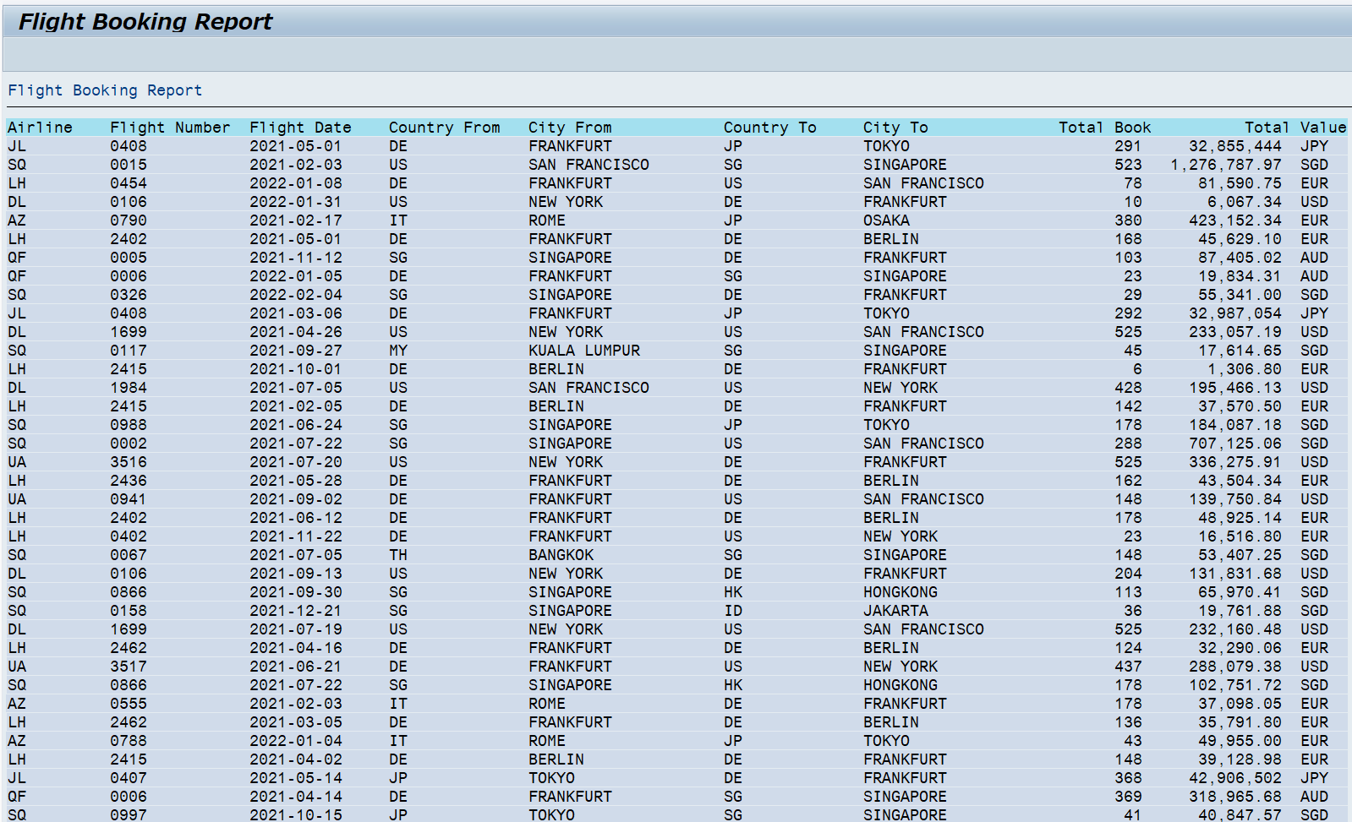
 | Report Output:

 | Sample Code on How to output similar Report |  |  |  |  | Sample Code on How to get data
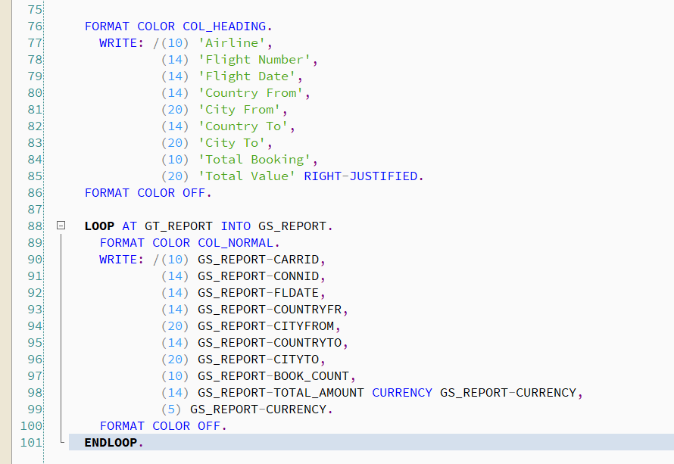
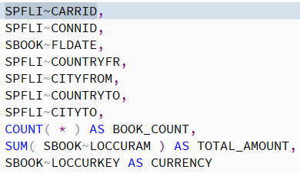

Exercise 2: (2 points)

 | On Selection Screen, add 2 Radio buttons
 |  | Standard Layout
 |  | Sorted by Flight Date
 | When user choose "Standard Layout", display Exercise 1 Report
 | When user choose "Sorted by Flight Date", display Exercise 1 Report
 |  | 1. Move Flight Date to the first Column
 |  | 2. ORDER data by Flight Date >> Airline >> Flight Number

Exercise 3: (2 points)
 | …
 | On Selection Screen, add 1 paramter
 |  | Supplier Number |  | (required)
 | Write a program to output Supplier information

 |  | Supplier number: |  | LFA1
 |  | Name 1: |  | LFA1-Name 1 (NAME1)
 |  | Name 2: |  | ADRC-Name 2 (AD_NAME2)
 |  | Address: |  | ADRC-City (CITY1), ADRC-District (CITY2), ADRC-Street (STREET)
 |  | Telephone: |  | ADRC-Telephone (TEL_NUMBER)

 | Additional Information:
 |  | Supplier Master |  | LFA1
 |  |  |  |  | ADRNR
 |  | Address Master |  | ADRC

Exercise 4: (2 points)
 | …
 | On Selection Screen, add 1 paramter
 |  | Customer Number: |  | (required)
 | Write a program to output Supplier information

 |  | Customer number: |  | KNA1
 |  | Name 1: |  | KNA1-Name 1 (NAME1)
 |  | Name 2: |  | ADRC-Name 2 (AD_NAME2)
 |  | Address: |  | ADRC-City (CITY1), ADRC-District (CITY2), ADRC-Street (STREET)
 |  | Telephone: |  | ADRC-Telephone (TEL_NUMBER)

 | Additional Information:
 |  | Customer Master |  | KNA1
 |  |  |  |  | ADRNR
 |  | Address Master |  | ADRC

Evidence
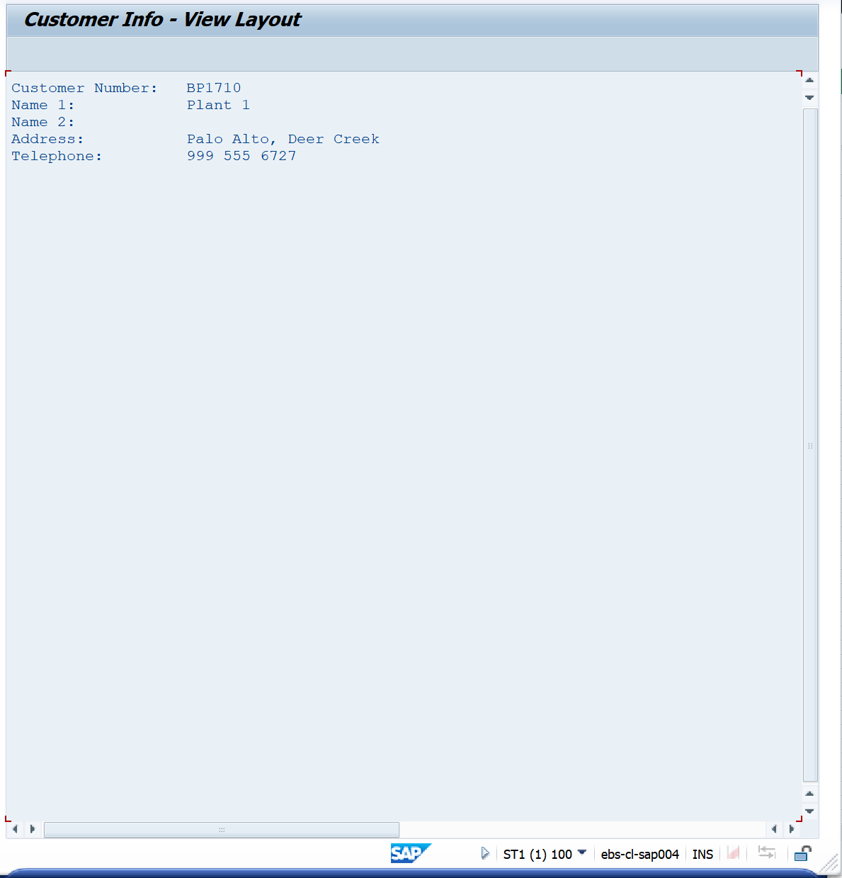
Exercise/Remarks | Screenshots

Exercise 1 | Program Name: |  | YANNP7_D04_EX01

 |  | <Screenshot>
 |  | Case 1: Select Flight Schedule with CONNID = 5 & COUNTRYFR = 'SG', Standard Layout

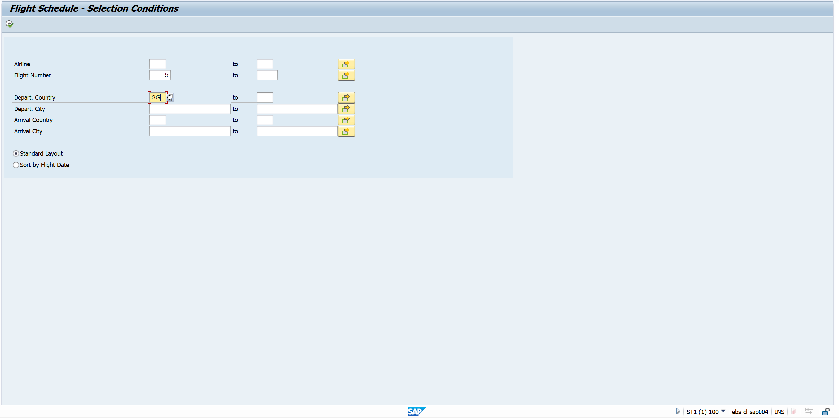

 |  | Output
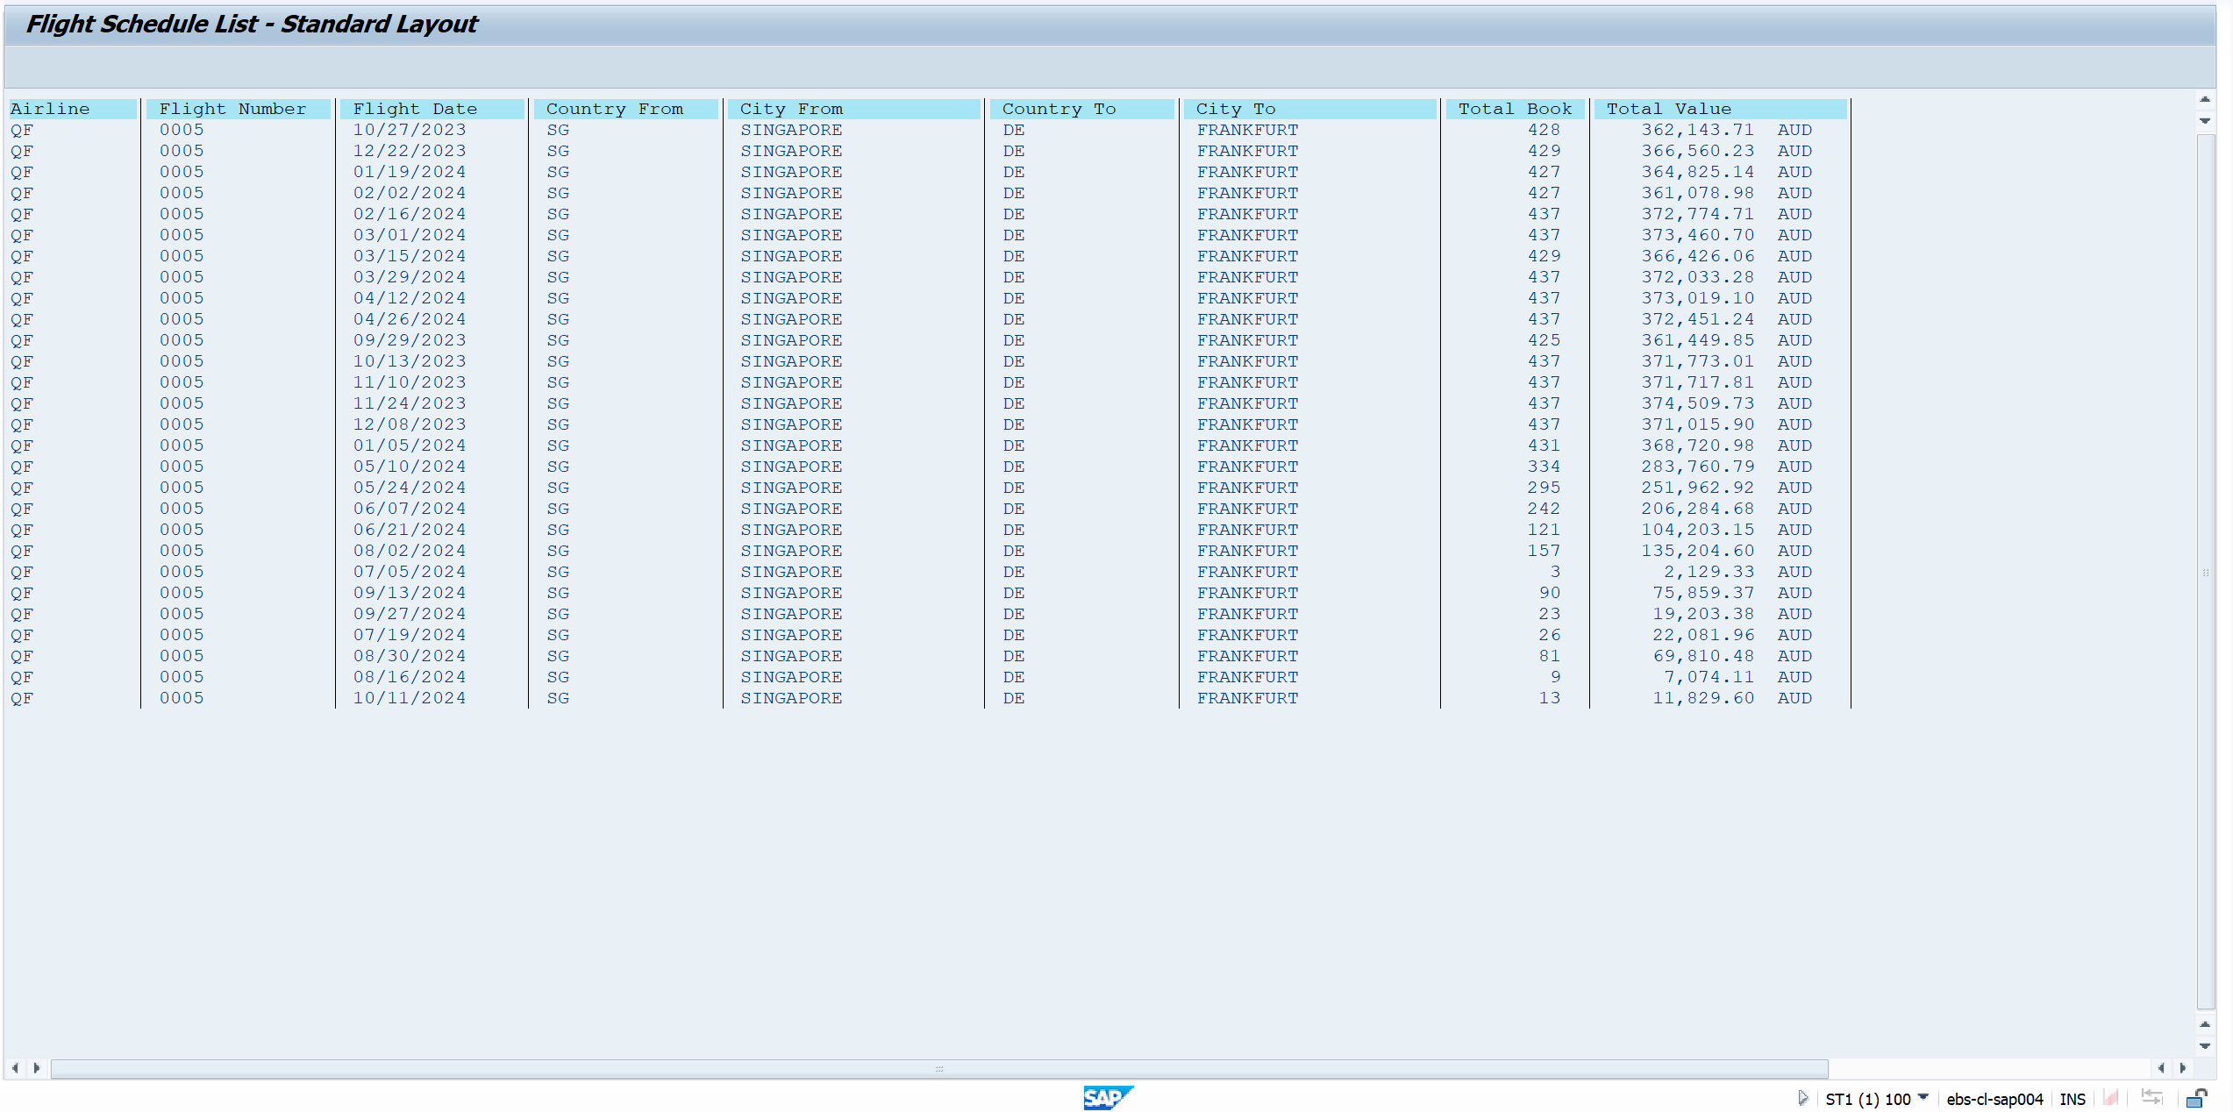

Exercise 2 | Program Name: |  | YANNP7_D04_EX01

 |  | <Screenshot>
 |  | Case 1: Select Flight Schedule with CARRID = 'JL', Sort by Flight Date


 |  | Output
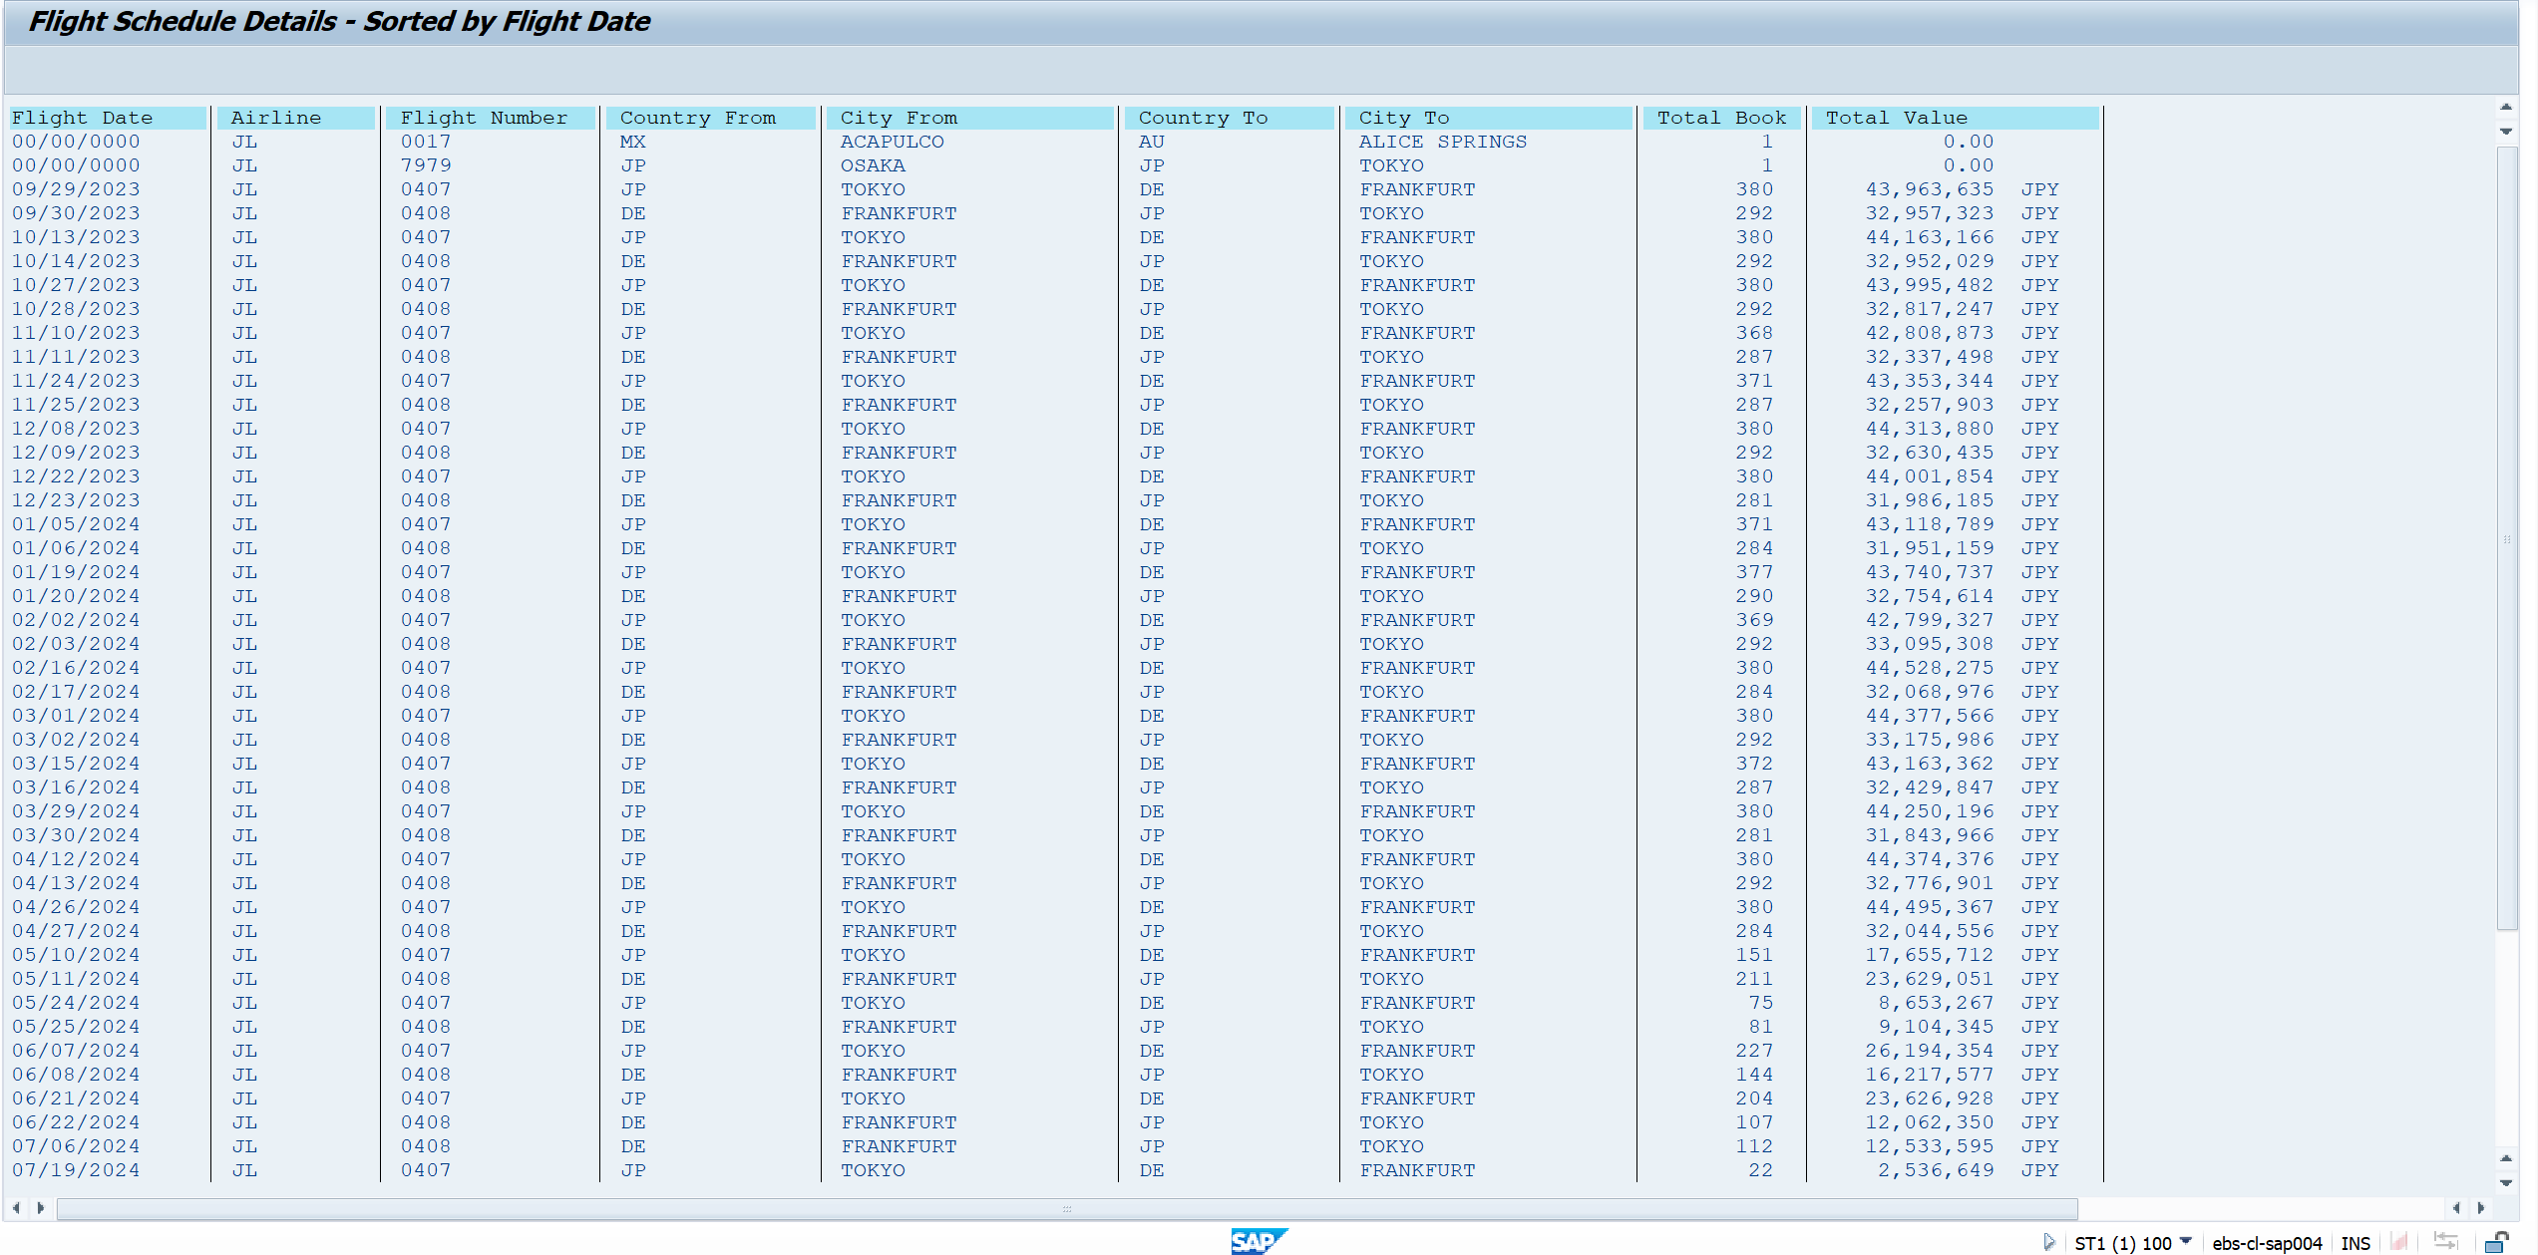

Exercise 3 | Program Name: |  | YANNP7_D04_EX03

 | <Screenshot>
 | Case 1: Show Supplier info with Supplier Number = 14

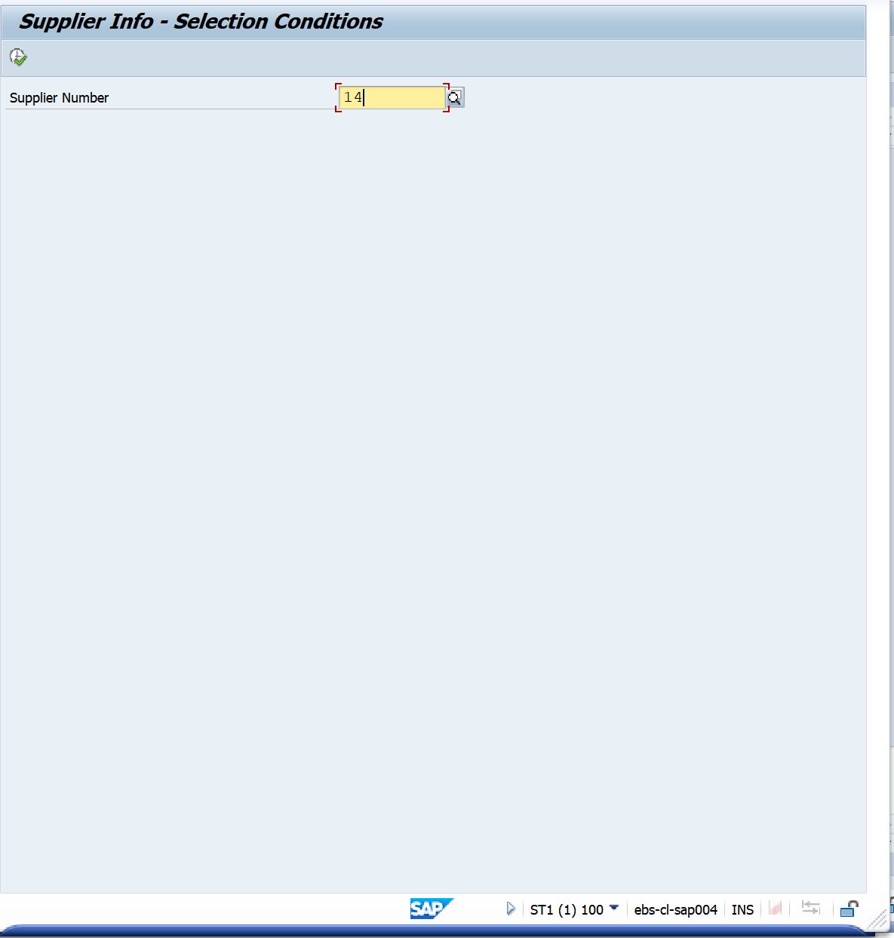

 |  | Output


Exercise 4 | Program Name: |  | YANNP7_D04_EX04

 | <Screenshot>
 | Case 1: Show Customer info with Customer Number = BP1710

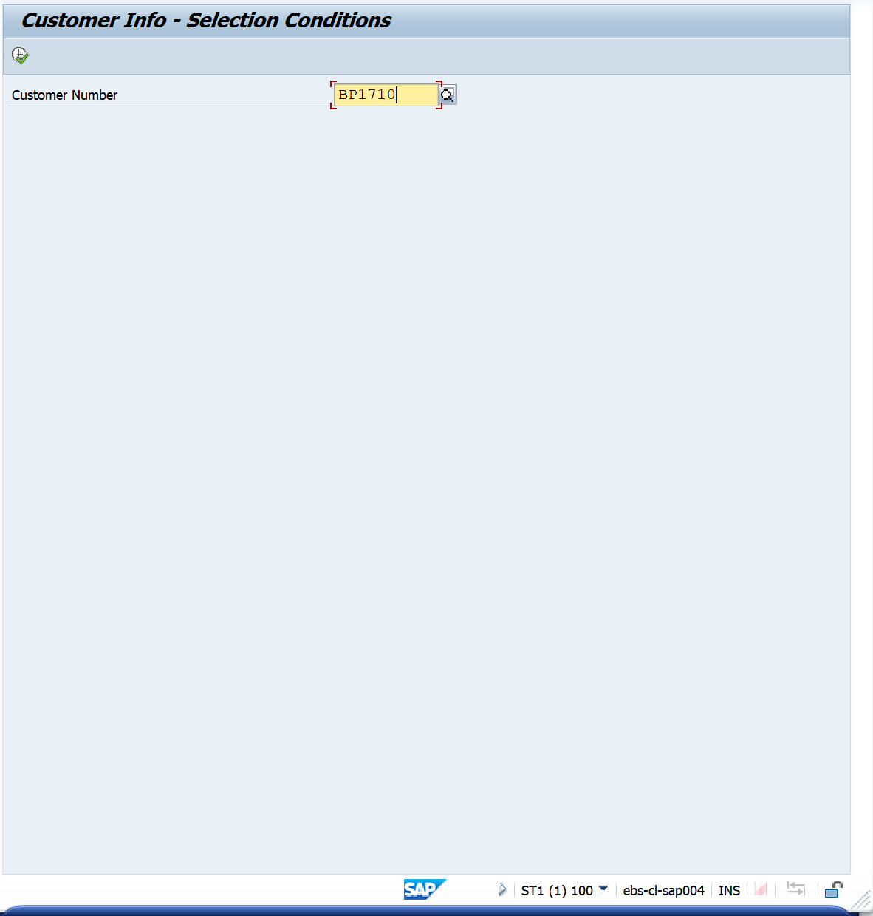

 |  | Output

